D1
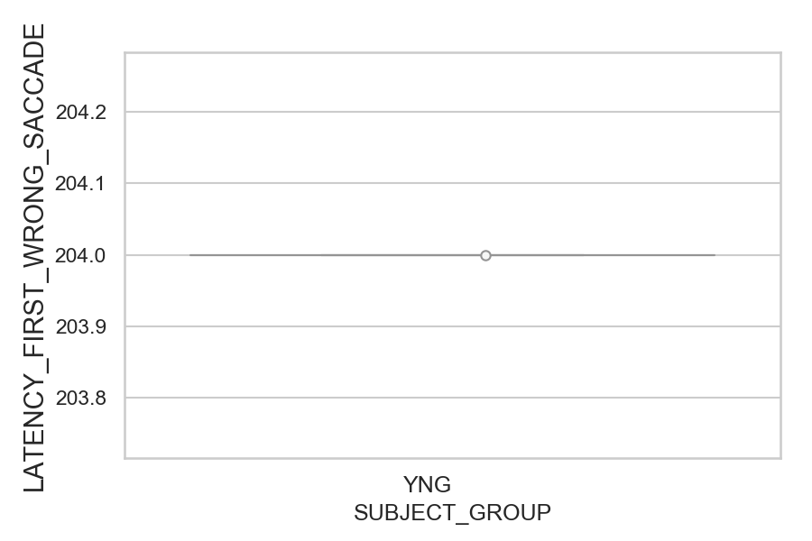
Latency of the first wrong saccade after target onset (ms)(mean latency of all trials per subject)
SUBJECT_NAME | SUBJECT_GROUP | SUBJECT_AGE | VALUE
MP1 | YNG |  | 204
AW001CG | YNG | 19
AW002AF | YNG | 19

D1 (types)
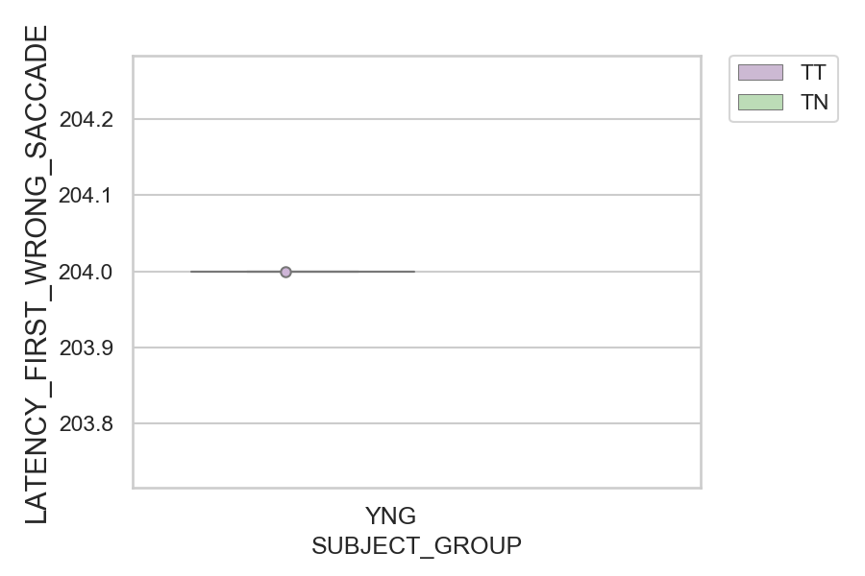
Latency of the first wrong saccade after target onset (ms)(mean latency of all trials per subject)
SUBJECT_NAME | SUBJECT_GROUP | CONDITION_APPEARANCE | SUBJECT_AGE | VALUE
MP1 | YNG | TT |  | 204
AW001CG | YNG | TN | 19
AW001CG | YNG | TT | 19
AW002AF | YNG | TN | 19
AW002AF | YNG | TT | 19
MP1 | YNG | TN

